XML_Tree_Cases_1
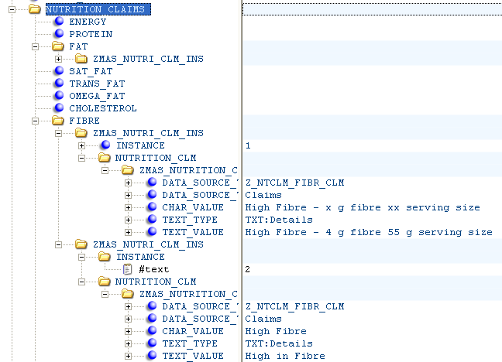
Ingredient Declaration
PATH1

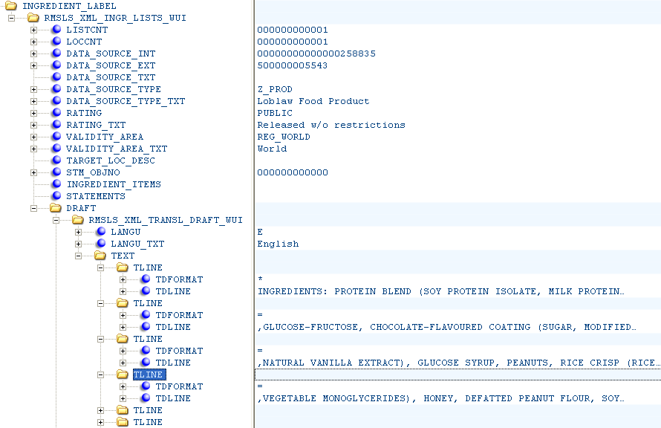

VAT_KEY
PATH_INST

PATH_CHAR

CHAR_VAL
inst-0

inst-1
INGREDIENTS...
+ {CHAR_SEP}

inst-2
,GLUCTOSE-FRUCTOSE...
+ {CHAR_SEP}

NUTRITION CLAIMS

XML_Tree_Cases_2
PATH1
NUTRITION CLAIMS

PATH_MINST
VAT_TAG

inst-0
PATH_CHAR

TEXT_VAL_TAG

High Fibre - 4 g ...
+ {INST_SEP}
inst-1

High in Fibre
+ {INST_SEP}

NUTRITION CLAIMS

